Dashboard
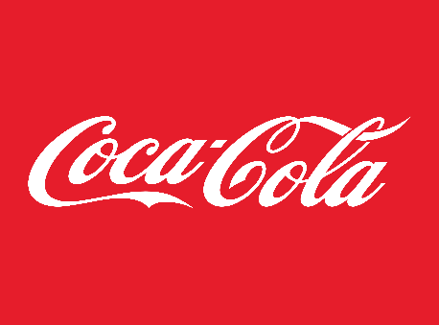
Coca-Cola USA Retailer Dashboard
Figures in USD
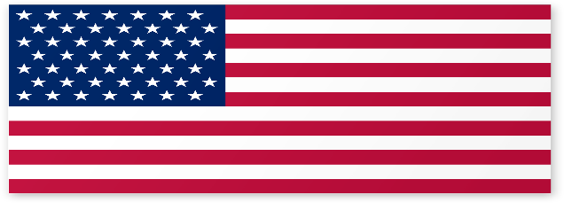

Total Operating Profit
Total Sales
Units Sold
Average Price
26,41,775.40
52,39,420.00
0.47
9,58,761.20

Sales by Beverage Brand |  |  |  | Sales by Retailer
Brand | Sales 2022 | Sales 2023 | Variance | Retailer | Sales 2022 | Sales 2023 | Variance
Coca-Cola | 204,216.50 | 534,782.30 | 330,565.80 | Amazon | 0.00 | 163,960.00 | 163,960.00
Dasani Water | 188,222.70 | 515,581.90 | 327,359.20 | BevCo | 17,879.30 | 487,491.60 | 469,612.30
Diet Coke | 187,856.20 | 488,277.70 | 300,421.50 | FizzyCo | 0.00 | 165,867.00 | 165,867.00
Fanta | 132,121.30 | 334,960.70 | 202,839.40 | Target | 0.00 | 855,119.00 | 855,119.00
Powerade | 129,178.30 | 353,559.50 | 224,381.20 | Walmart | 0.00 | 83,300.80 | 83,300.80
Sprite | 160,245.30 | 414,613.30 | 254,368.00 | West Soda | 983,961.00 | 886,037.00 | -97,924.00
Grand Total | 1,001,840.30 | 2,641,775.40 | 1,639,935.10 | Grand Total | 1,001,840.30 | 2,641,775.40 | 1,639,935.10

Sales and Operating Margin by Quarter
 | Sales | Operating Profit Margin
Qtr1 | 323851.9 | 0.40388429752
Qtr2 | 344406.8 | 0.39565934066
Qtr3 | 208967.6 | 0.328
Qtr4 | 124614 | 0.37063492063
Qtr1 | 736899.3 | 0.38702422145
Qtr2 | 777225 | 0.40306306306
Qtr3 | 608363.1 | 0.4062962963
Qtr4 | 519288 | 0.40751351351

